Sheet10
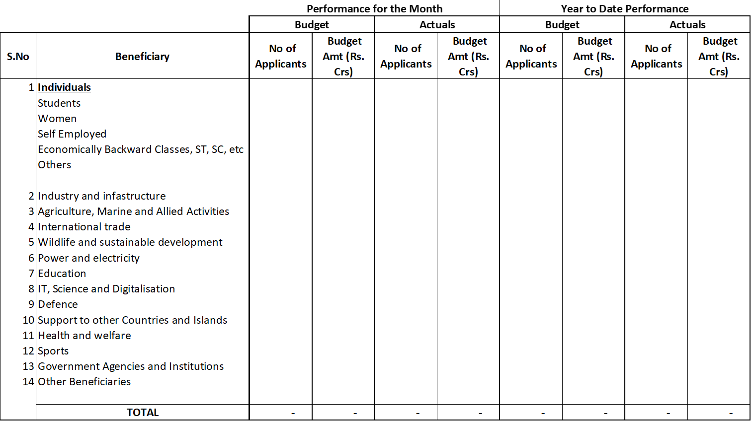

 | Beneficiary | Amount (in Rs.Crore) | Category Count
 |  |  | Central Sector | Centrally Sponsored
A | Individuals | 762,420.73 | 165 | 58
 | Sports | 30.00 | 2
 | Special Category people/locations | 197,796.09 | 25 | 5
 | Health &Welfare | 527.68 | 8
 | Employment | 0.00
 | Entrepreneur | 4,936.41 | 15 | 2
 | Total A | 965,710.91
B | Agriculture, marine &allied activities | 25,454.24 | 7 | 6
 | Total B | 25,454.24
C | Government agencies &Institutions | 38,559.40 | 51 | 10
 | Centres, Councils &Groups | 15,620.51 | 19 | 9
 | Information Technology, Science &Digitalisation | 0.00 | 2
 | Defence | 0.00
 | Total C | 54,179.91
D | Sector, Industry &Infrastructure | 2,533.06 | 42 | 4
 | Organisations, instututions, enterprises &other entities | 136,196.15 | 142 | 21
 | Total D | 138,729.21
E | Education | 27,951.81 | 46 | 3
 | Countries &Islands | 0.00
 | Wildlife &Sustainable development | 0.00
 | Food Processing | 0.00
 | Total E | 27,951.81 |  |  |  |  | Performance for the Month |  |  |  | Year to date Performance
F | General Category | 0.00 |  |  |  |  | Budget |  | Actuals |  | Budget |  | Actuals
 | Research & Survey | 720.73 | 10 |  | SI No | Beneficiary | No of Applicants | Budget Amt (Rs. Crs) | No of Applicants | Budget Amt (Rs. Crs) | No of Applicants | Budget Amt (Rs. Crs) | No of Applicants | Budget Amt (Rs. Crs)
 | Total F | 720.73 |  |  | A | Individuals
 | Grand total | 1,212,746.81 | 534 | 118 |  | Sports
 |  |  |  |  |  | Special Category people/locations
 |  |  |  |  |  | Health &Welfare
 |  |  |  |  |  | Employment
 |  |  |  |  |  | Entrepreneur
 |  |  |  |  |  | Total A
 |  |  |  |  | B | Agriculture, marine &allied activities
 |  |  |  |  |  | Total B
 |  |  |  |  | C | Government agencies &Institutions
 |  |  |  |  |  | Centres, Councils &Groups
 |  |  |  |  |  | Information Technology, Science &Digitalisation
 |  |  |  |  |  | Defence
 |  |  |  |  |  | Total C
 |  |  |  |  | D | Sector, Industry &Infrastructure
 |  |  |  |  |  | Organisations, instututions, enterprises &other entities
 |  |  |  |  |  | Total D
 |  |  |  |  | E | Education
 |  |  |  |  |  | Countries &Islands
 |  |  |  |  |  | Wildlife &Sustainable development
 |  |  |  |  |  | Food Processing
 |  |  |  |  |  | Total E
 |  |  |  |  | F | General Category
 |  |  |  |  |  | Research & Survey
 |  |  |  |  |  | Total F
 |  |  |  |  |  | Grand total | - | - | - | - | - | - | - | -

